Sheet1
 | A | B | C | D
answers | 6111 | 2500 | 0 | 1389
Max | 15% | 10% | 6% | 4% | 1222
 | 1 | 1 | 1 | 1 | 10000 | = | 10000
 |  | 1 |  |  | 2500 | >= | 2500
 | 9 | 6 | 2 |  | 70000 | <= | 70000
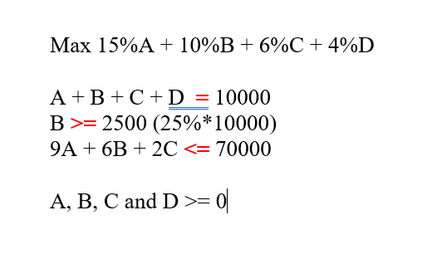

 | RETURN | RISK
 | 12.22% | 7

