Sheet1
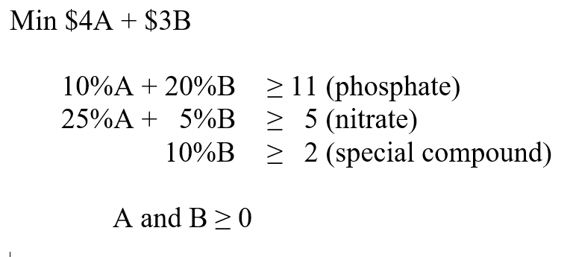
 | A | B
Answers--> | 10 | 50
Min | 4 | 3 | 190 | <-- Cost
 | 10% | 20% | 11 | 11
 | 25% | 5% | 5 | 5
 |  | 10% | 5 | 2

 |  |  | ^sumproduct^

