Sheet2
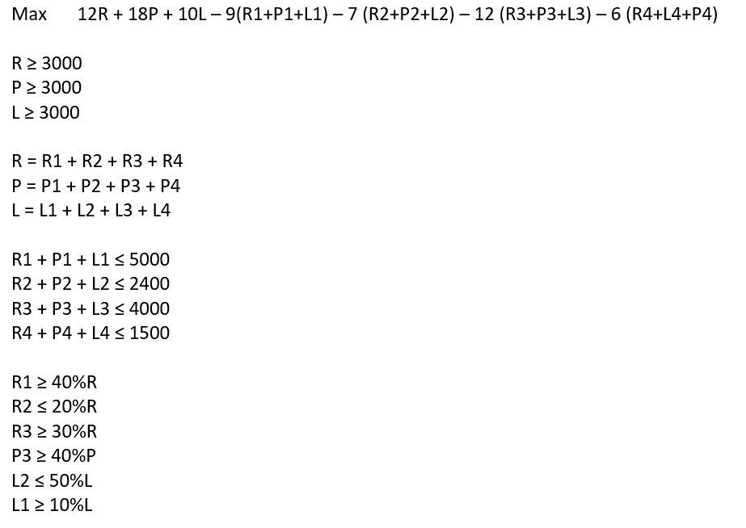
 | Comp 1 | Comp 2 | Comp 3 | Comp 4 | Sum
Regular | R1 | R2 | R3 | R4 | R
Premium | P1 | P2 | P3 | P4 | P
Low Lead | L1 | L2 | L3 | L4 | L
Sum | C1 | C2 | C3 | C4

 | Comp 1 | Comp 2 | Comp 3 | Comp 4 | Sum | Revenue
Regular | 2100 | 0 | 900 | 0 | 3000 | 12
Premium | 2600 | 900 | 3100 | 300 | 6900 | 18
Low Lead | 300 | 1500 | 0 | 1200 | 3000 | 10
Sum | 5000 | 2400 | 4000 | 1500
Cost | -9 | -7 | -12 | -6

Net Profit | 71400

