Sheet1
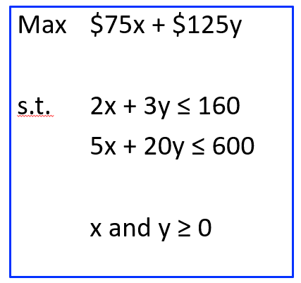
 |  | x | y
 |  | chairs | tables
 | Answers -->
goal --> | Max | 75 | 125 | $0 | <-- Profit
 | Constraint 1 | 2 | 3 | $0 | <= | 160 | Hours
 | Constraint 2 | 5 | 20 | $0 | <= | 600 | Wood

